Project Tracking
ECONOMIC DATA ANALYSIS

PROJECT TITLE |  | Economic Freedom and GDP Analysis |  |  |  |  |  |  | COMPANY NAME |  | Liberty International Research
PROJECT AUTHOR |  | Farah Mae Sumajit |  |  |  |  |  |  | DATE |  | 2025-05-31

ECONOMIC FREEDOM SCORE vs. GDP PER CAPITA(USD)
PROJECT DETAILS |  |  |  |  |  |  |  |  |  | CHARTS |  | STATISTICAL RESULTS
COUNTRY | GDP PER CAPITA(USD) | ECONOMIC FREEDOM SCORE | GINI INDEX | BUSINESS FREEDOM | TRADE FREEDOM | CORRUPTION FREEDOM | FREEDOM CATEGORY | INCOME GROUP |  |  |  |  |  | KEY FINDINGS
Singapore | 84,734.00 | 83.50 | 36.40 | 86.90 | 95.00 | 83.00 | HIGH | HIGH INCOME
UnitedStates | 82,769.00 | 70.10 | 41.30 | 84.80 | 75.60 | 65.00 | HIGH | HIGH INCOME
Germany | 54,343.00 | 72.10 | 32.40 | 84.20 | 79.20 | 75.00 | HIGH | HIGH INCOME |  |  |  |  | Economic Freedom R² = 0.286
Estonia | 30,133.00 | 77.80 | 31.80 | 83.20 | 79.20 | 73.00 | HIGH | HIGH INCOME |  |  |  |  | Moderate positive correlation (28.6% variance explained)
Uruguay | 22,798.00 | 69.80 | 40.60 | 83.90 | 71.20 | 73.00 | MEDIUM | MIDDLE INCOME |  |  |  |  | Economic freedom drives prosperity - supports free market policies
Chile | 17,068.00 | 71.40 | 43.00 | 79.20 | 78.00 | 63.00 | HIGH | MIDDLE INCOME |  |  |  |  | Free markets + strong institutions = higher GDP per capita
Argentina | 14,187.00 | 49.90 | 40.70 | 55.50 | 58.60 | 42.00 | LOW | MIDDLE INCOME
Mexico | 13,790.00 | 62.00 | 43.50 | 71.20 | 76.80 | 26.00 | MEDIUM | MIDDLE INCOME
GINI INDEX vs. GDP PER CAPITA(USD)
Brazil | 10,295.00 | 53.20 | 52.00 | 67.00 | 66.80 | 34.00 | MEDIUM | MIDDLE INCOME
Georgia | 8,284.00 | 68.40 | 33.50 | 74.40 | 86.40 | 56.00 | MEDIUM | LOW INCOME
Peru | 7,907.00 | 64.80 | 40.30 | 69.50 | 81.40 | 38.00 | MEDIUM | LOW INCOME
Botswana | 7,820.00 | 68.00 | 53.30 | 66.00 | 78.80 | 53.00 | MEDIUM | LOW INCOME |  |  |  |  | Gini Index R² = 0.034
Egypt | 3,457.00 | 49.70 | 31.90 | 48.90 | 60.20 | 31.00 | LOW | LOW INCOME |  |  |  |  | Very weak relationship (3.4% variance explained)
India | 2,481.00 | 52.90 | 32.80 | 68.30 | 62.20 | 39.00 | MEDIUM | LOW INCOME |  |  |  |  | Income inequality shows complex relationship - not primary GDP driver
Venezuela | 15,944.00 | 28.10 | 44.70 | 31.00 | 42.20 | 10.00 | LOW | MIDDLE INCOME

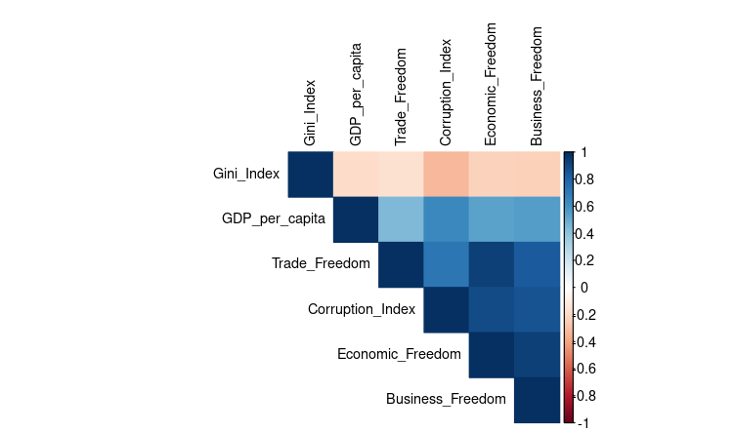
BUSINESS FREEDOM vs. GDP PER CAPITA(USD)

 |  |  |  |  |  |  |  |  |  |  |  |  | Business Freedom R² = 0.311
 |  |  |  |  |  |  |  |  |  |  |  |  | Strong positive correlation (31.1% variance explained)
 |  |  |  |  |  |  |  |  |  |  |  |  | Business-friendly environment crucial for economic growth

TRADE FREEDOM vs. GDP PER CAPITA(USD)

 |  |  |  |  |  |  |  |  |  |  |  |  | Trade Freedom R² = 0.196
 |  |  |  |  |  |  |  |  |  |  |  |  | Moderate positive correlation (19.6% variance explained)
 |  |  |  |  |  |  |  |  |  |  |  |  | Open trade policies moderately boost economic development

CORRUPTION FREEDOM vs. GDP PER CAPITA(USD)
 | Statistical Analysis Dashboard - R Studio Implementation
 | Generated using R statistical software with ggplot2 and corrplot libraries. This correlation
 | matrix demonstrates the intercorrelations between economic freedom indicators and GDP per
 | capita across 15 countries. The visualization confirms theoretical expectations that
 | institutional quality (low corruption) and market freedom drive economic prosperity. |  |  |  |  |  |  |  |  |  |  |  | Corruption Index R² = 0.417
 |  |  |  |  |  |  |  |  |  |  |  |  | Strongest relationship (41.7% variance explained)
 |  |  |  |  |  |  |  |  |  |  |  |  | Low corruption most important factor - institutional quality matters most

